BALMAIN
BALMAIN 2026
PHOTOS | SKU | PRODUCT | GROUP | GENDER | COLOR | COMPO | MADE IN | QTY | RETAIL | TOTAL | TU | XS | S | M | L | XL | XXL | 75 | 80 | 85 | 90 | 95 | 100 | 105 | 110
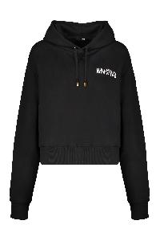 | GF6JR030BB04_EAB | Black hoodie with logo | Clothing | Female | nero | 100%ORGANIC CO | PT | 36 | 750.00 € | 27,000.00 € |  | 1 | 7 | 9 | 12 | 7
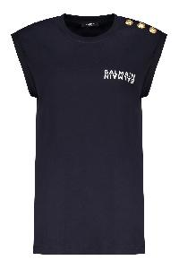 | EF6ED002BB04_SDQ | Cotton T-shirt with logo | Clothing | Female | blu | 100% CO | PT | 8 | 395.00 € | 3,160.00 € |  |  |  | 7 | 1
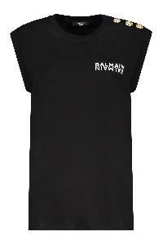 | EF6ED002BB04_EAB | Cotton T-shirt with logo | Clothing | Female | nero | 100%CO | PT | 86 | 395.00 € | 33,970.00 € |  |  | 30 | 36 | 16 | 4
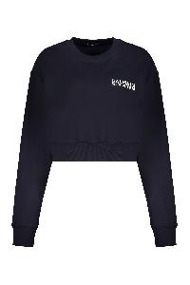 | GF6JO080BB04_SDQ | Dark blue crop sweatshirt with logo | Clothing | Female | blu | 100% CO|95% CO 5% EA | PT | 15 | 590.00 € | 8,850.00 € |  | 1 | 6 | 6 | 2
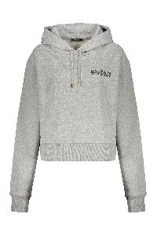 | GF6JR030BB04_YEQ | Gray hoodie with logo | Clothing | Female | grigio | 100%ORGANIC CO | PT | 32 | 750.00 € | 24,000.00 € |  |  | 8 | 6 | 11 | 7
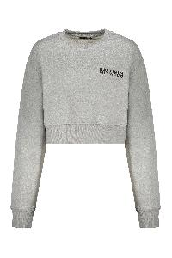 | GF6JO080BB04_YEQ | Modern gray crop hoodie and comfortable | Clothing | Female | grigio | 100%ORGANIC CO | PT | 15 | 590.00 € | 8,850.00 € |  | 3 | 5 | 5 | 2
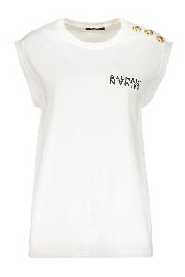 | EF6ED002BB04_GAB | white T-shirt with short sleeves | Clothing | Female | bianco | 100%CO | PT | 85 | 395.00 € | 33,575.00 € |  |  | 29 | 43 | 13
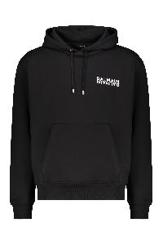 | GH6JR090BB04_EAB | Black casual and modern hoodie | Clothing | Male | nero | 100%ORGANIC CO | PT | 366 | 750.00 € | 274,500.00 € |  |  | 35 | 84 | 86 | 109 | 52
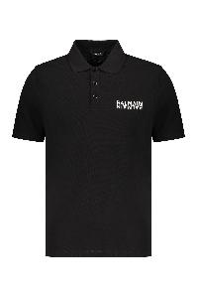 | GH6GC026BB04_EAB | Black polo short sleeves, versatile elegant style | Clothing | Male | nero | 100%ORGANIC CO | PT | 2 | 590.00 € | 1,180.00 € |  |  |  | 1 |  | 1
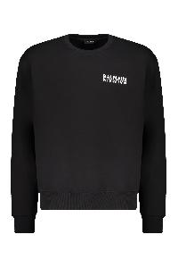 | GH6JQ125BB04_EAB | Black sweatshirt in cotton | Clothing | Male | nero | 100%ORGANIC CO | PT | 64 | 590.00 € | 37,760.00 € |  |  |  |  | 26 | 26 | 12
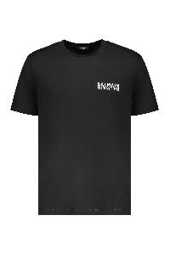 | EH6EG000BB04_EAB | Black T-shirt with logo | Clothing | Male | nero | 100%CO | PT | 263 | 395.00 € | 103,885.00 € |  |  | 49 | 41 | 80 | 47 | 46
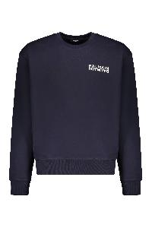 | GH6JQ125BB04_SDQ | Cotton sweatshirt | Clothing | Male | blu | 100% CO|95% CO 5% EA | PT | 92 | 590.00 € | 54,280.00 € |  |  | 11 | 21 | 21 | 24 | 15
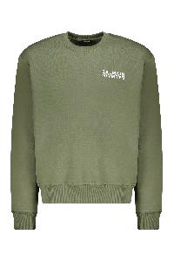 | GH6JQ125BB04_UDK | Cotton sweatshirt with logo | Clothing | Male | verde | 100%ORGANIC CO | PT | 101 | 590.00 € | 59,590.00 € |  |  | 4 | 17 | 48 | 21 | 11
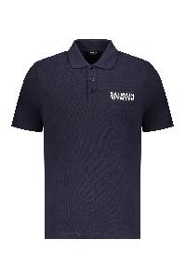 | GH6GC026BB04_SDQ | Dark blue short-sleeve polo | Clothing | Male | blu | 100%ORGANIC CO | PT | 27 | 590.00 € | 15,930.00 € |  |  | 3 | 2 | 14 | 6 | 2
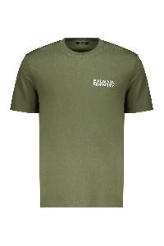 | EH6EG000BB04_UDK | Green cotton t-shirt | Clothing | Male | verde | 100% CO | PT | 76 | 395.00 € | 30,020.00 € |  |  | 11 | 13 | 30 | 15 | 7
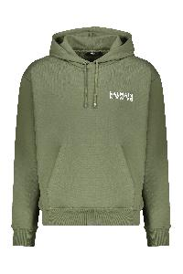 | GH6JR090BB04_UDK | Hooded sweatshirt olive green | Clothing | Male | verde | 100%ORGANIC CO | PT | 95 | 750.00 € | 71,250.00 € |  |  | 6 | 26 | 30 | 22 | 11
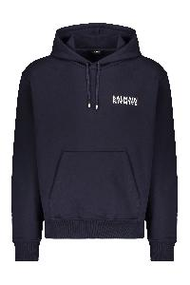 | GH6JR090BB04_SDQ | Hoodie | Clothing | Male | blu | 100% CO|95% CO 5% EA | PT | 212 | 750.00 € | 159,000.00 € |  |  | 18 | 41 | 76 | 50 | 27
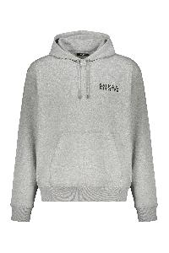 | GH6JR090BB04_YEQ | Hoodie | Clothing | Male | grigio | 100%ORGANIC CO | PT | 214 | 750.00 € | 160,500.00 € |  |  | 22 | 52 | 54 | 59 | 27
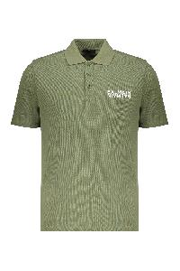 | GH6GC026BB04_UDK | Olive green polo with short sleeves | Clothing | Male | verde | 100% CO|98% CO 2% EA | PT | 31 | 590.00 € | 18,290.00 € |  |  | 3 | 3 | 20 | 4 | 1
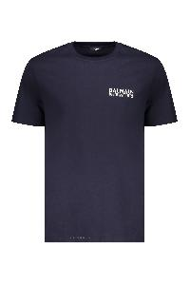 | EH6EG000BB04_SDQ | Short sleeve cotton t-shirt | Clothing | Male | blu | 100%CO | PT | 12 | 395.00 € | 4,740.00 € |  |  |  |  | 8 | 2 | 2
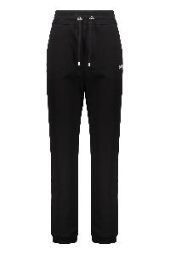 | BP6OB340BD26_EAB | Sports pants | Clothing | Male | nero | 100%CO | PT | 4 | 750.00 € | 3,000.00 € |  |  | 1 | 1 | 2
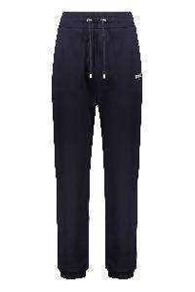 | BP6OB340BD26_SDQ | Sports trousers | Clothing | Male | blu | 100% CO|95% CO 5% EA | PT | 8 | 750.00 € | 6,000.00 € |  |  |  | 4 | 3 |  | 1
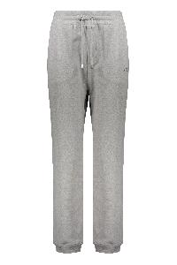 | BP6OB340BD26_YEQ | Sports trousers | Clothing | Male | grigio chiaro | 100%CO | PT | 12 | 750.00 € | 9,000.00 € |  |  | 3 | 8 |  | 1
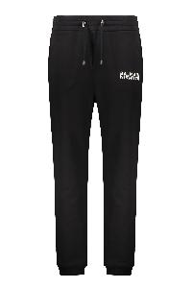 | FH6OB340BD26_EAB | Track pants in cotton | Clothing | Male | nero | 100%CO | PT | 4 | 750.00 € | 3,000.00 € |  |  |  |  | 1 | 1 | 2
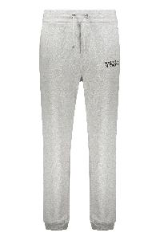 | FH6OB340BD26_YEQ | Track pants in cotton | Clothing | Male | grigio | 100%CO | PT | 9 | 750.00 € | 6,750.00 € |  |  | 1 |  | 3 | 3 | 2
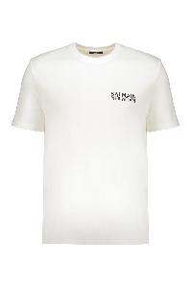 | EH6EG000BB04_GAB | White comfortable t-shirt with casual logo | Clothing | Male | bianco | 100%CO | PT | 249 | 395.00 € | 98,355.00 € |  |  | 35 | 29 | 71 | 56 | 58
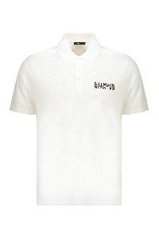 | GH6GC026BB04_GAB | White cotton polo | Clothing | Male | bianco | 100%ORGANIC CO | PT | 35 | 590.00 € | 20,650.00 € |  |  | 4 | 7 | 10 | 10 | 4
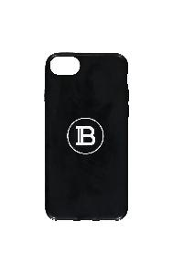 | TN1M004PSIC_0PA | iPhone case | Accessories | Uni | nero | 100% PVC | CN | 95 | 75.00 € | 7,125.00 € | 95
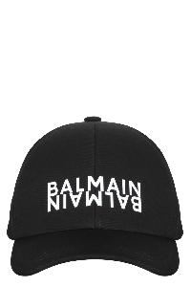 | EH6XA550CB24_ENH | Baseball cap | Accessories | Male | nero | 100% CO | BG | 409 | 295.00 € | 120,655.00 € | 409
 | FM6WJ000LSPY_0PA | Elegant black leather belt | Accessories | Male | nero | 100% CALF LE | IT | 63 | 490.00 € | 30,870.00 € |  |  |  |  |  |  |  |  |  |  | 6 | 18 | 10 | 24 | 5
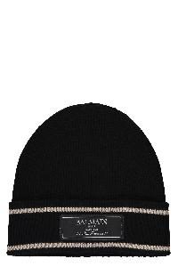 | EH6XC030KC65_EDK | Knitted hat in black color | Accessories | Male | nero | 100%WM | FR | 429 | 350.00 € | 150,150.00 € | 429
 | EH6XG020KC65_EDK | Ribbed knit scarf | Accessories | Male | nero | 100%WM | FR | 257 | 550.00 € | 141,350.00 € | 257
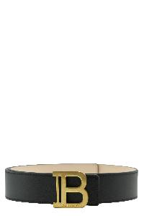 | FN6WJ002LSPY_0PA | Elegant black leather belt with gold buckle | Accessories | Female | nero | 100% CALF LE | IT | 37 | 470.00 € | 17,390.00 € |  |  |  |  |  |  |  | 1 | 14 | 17 | 5
 | FN6MC075LVPT_0PA | Elegant black leather card holder | Accessories | Female | nero | 100% CALF LE | IT | 313 | 230.00 € | 71,990.00 € | 313
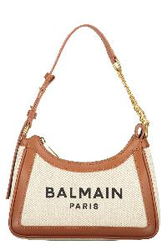 | FN6BT743TCFN_GEM | Elegant bag in fabric and leather | Bags | Female | avorio | 58% CO 42% LI|100% CO|100% LAMB LE | IT | 29 | 850.00 € | 24,650.00 € | 29
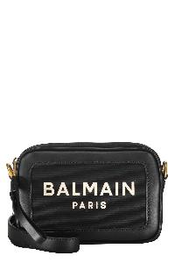 | FN6BB720TCOU_EAB | Elegant black shoulder bag | Bags | Female | nero | 100% CO|100% LAMB LE | IT | 12 | 790.00 € | 9,480.00 € | 12
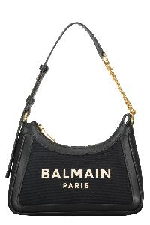 | FN6BT743TCOU_EAB | Elegant shoulder bag | Bags | Female | nero | 100%CO | IT | 2 | 850.00 € | 1,700.00 € | 2
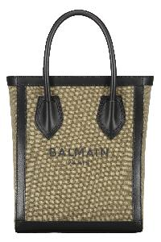 | FN6FB661TCPY_UBK | Tote bag with logo | Bags | Female | verde | 100% CO|100% LAMB LE | IT | 23 | 890.00 € | 20,470.00 € | 23
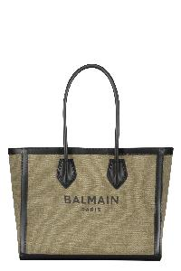 | FN6FC662TCPY_UBK | Tote bag with logo | Bags | Female | verde | 100% CO|100% LAMB LE | IT | 52 | 990.00 € | 51,480.00 € | 52
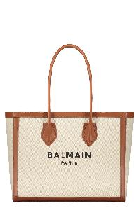 | FN6FC662TCFN_GEM | Tote bag with logo | Bags | Female | avorio | 58%CO 42%LI | IT | 73 | 990.00 € | 72,270.00 € | 73
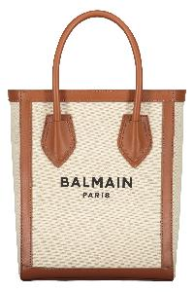 | FN6FB661TCFN_GEM | Tote bag with logo | Bags | Female | avorio | 58%CO 42%LI | IT | 76 | 890.00 € | 67,640.00 € | 76
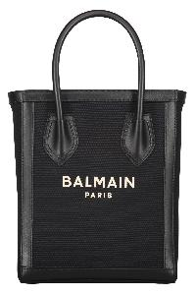 | FN6FB661TCOU_EAB | Tote bag with logo | Bags | Female | nero | 100%CO | IT | 118 | 890.00 € | 105,020.00 € | 118
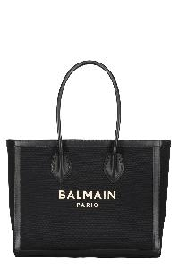 | FN6FC662TCOU_EAB | Tote bag with logo | Bags | Female | nero | 100%CO | IT | 180 | 990.00 € | 178,200.00 € | 180
TOTAL BALMAIN |  |  |  |  |  |  |  | 4,321 | 543.28 € | 2,347,525.00 € | 2,068 | 5 | 291 | 462 | 640 | 475 | 280 | 1 | 14 | 17 | 11 | 18 | 10 | 24 | 5

